Catalog Item Overview
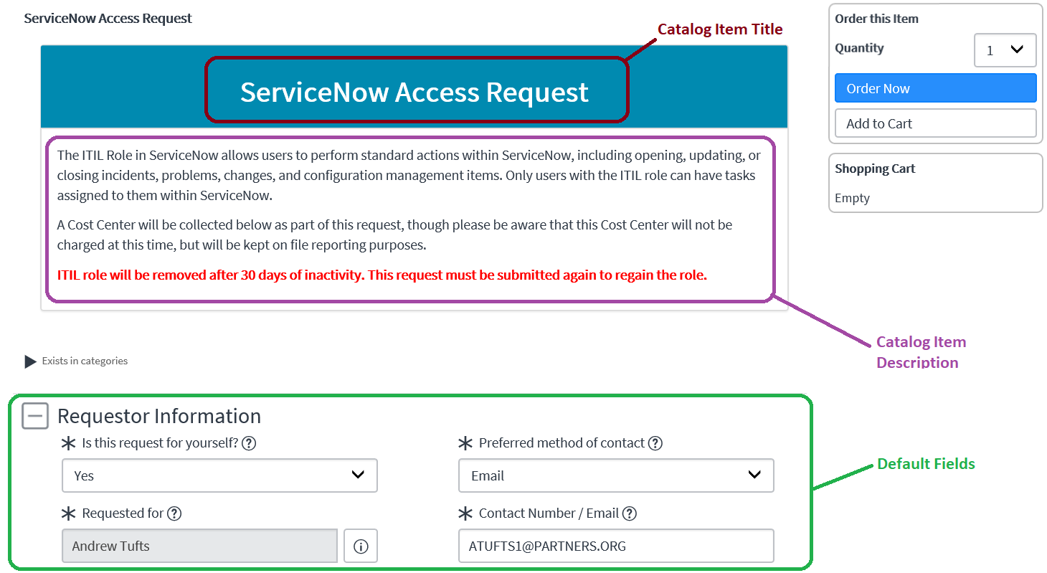
Catalog Item Overview
Use this section for the basics of your form - the screenshot to the right shows the default ServiceNow template that catalog items are based on

Catalog Item Title | Your Title Here
The title of your catalog item to display at the header banner

Catalog Item Description | (SAMPLE) The ITIL Role in ServiceNow allows users to perform standard actions within ServiceNow, including opening, updating, or closing incidents, problems, changes, and configuration management items. Only users with the ITIL role can have tasks assigned to them within ServiceNow. A Cost Center will be collected below as part of this request, though please be aware that this Cost Center will not be charged at this time, but will be kept on file reporting purposes. ITIL role will be removed after 30 days of inactivity. This request must be submitted again to regain the role.
Clear, concise introductory text appearing at the top of the form that introduces the form to end users. Note that you can leverage font styles and colors as needed.

Variable Reference
Variable Types and Reference

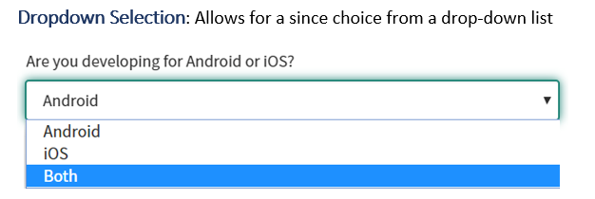

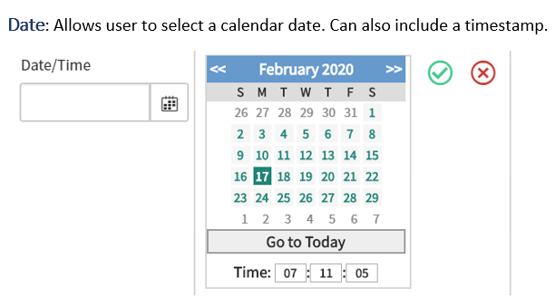

 | Single Line Text
 | Multi Line Text
 | Single Line Reference
 | Dropdown Selection
 | Date
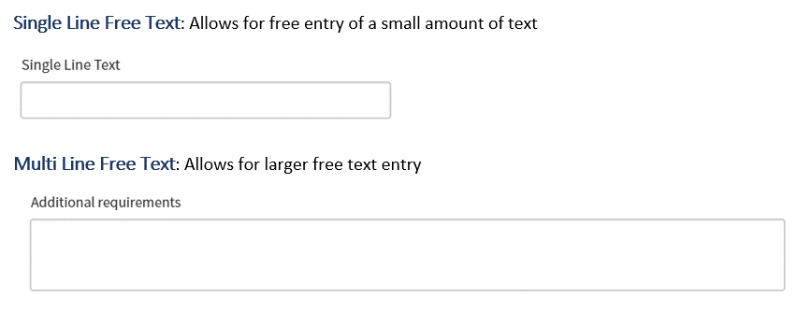
 | Yes / No
 | Radio Buttons
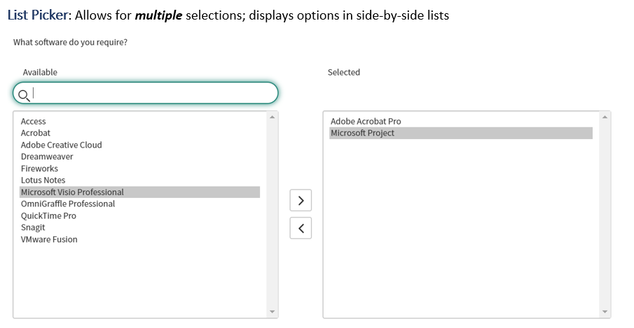
 | Checkboxes
 | List Picker
 | Label

